Introduction
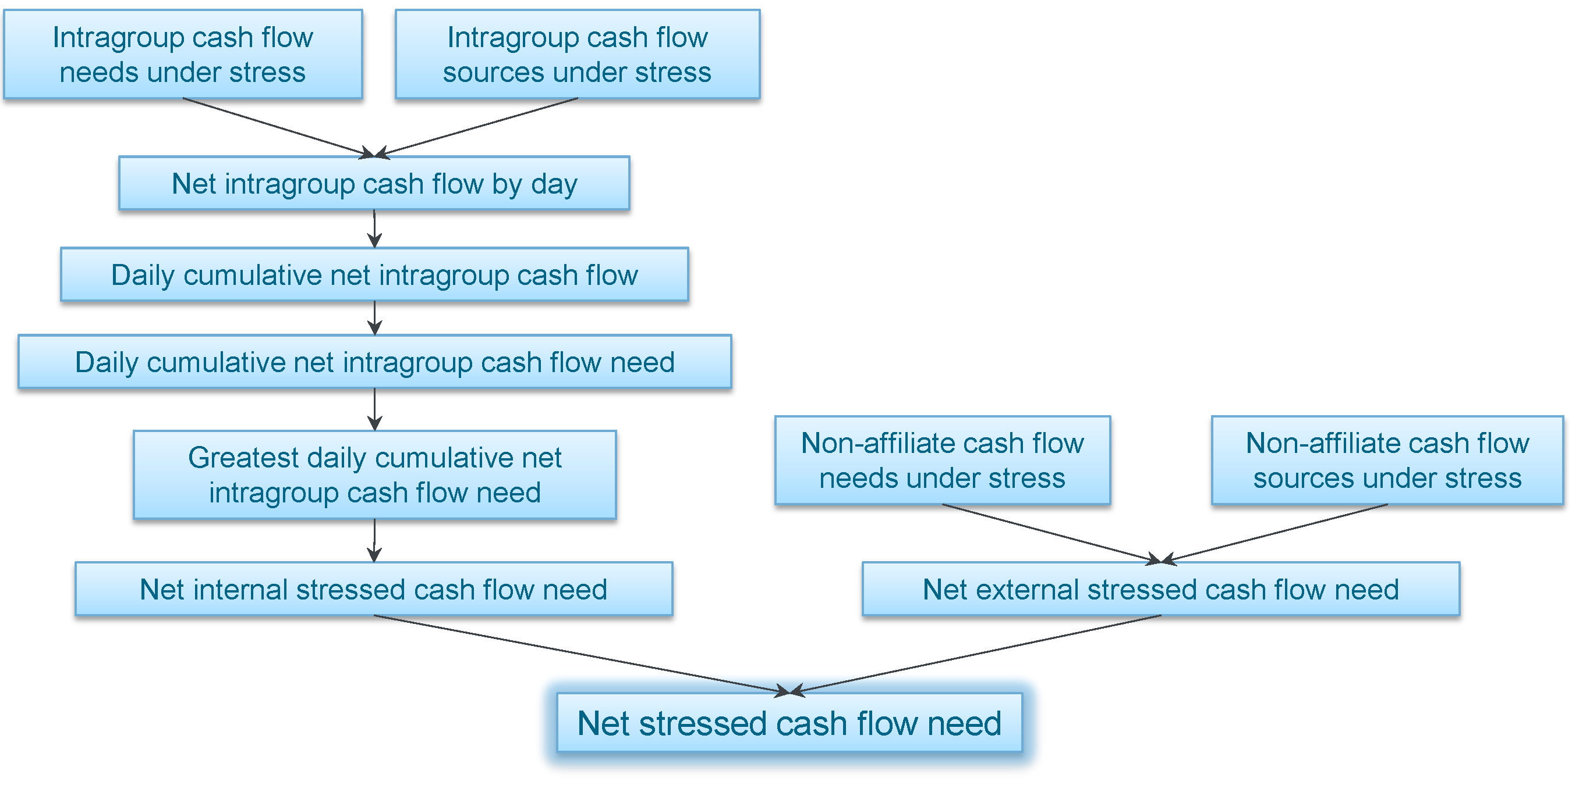
U.S. Liquidity Buffer Calculator for a Foreign Bank's U.S. Branches/Agencies and IHC
February 2014.
This interactive tool illustrates the calculation of net stressed cash flow need for purposes of determining the minimum size of the separate U.S. liquidity buffers that a foreign banking organization with ≥ $50 billion in U.S. assets (Foreign Bank) must maintain for its (1) U.S. branches/agencies and (2) U.S. intermediate holding company (IHC). Details regarding the cash flow projections, internal liquidity stress testing and U.S. liquidity buffers required by the Federal Reserve's Dodd-Frank enhanced prudential standards final rule are contained in the accompanying visual memorandum.
U.S. Branches/Agencies Liquidity Buffer Calculator (click to access)
Minimum size of U.S. liquidity buffer for U.S. branches/agencies = projected net stressed cash flow need for the first 14 days of an internal liquidity stress test with a 30-day planning horizon.
IHC Liquidity Buffer Calculator (click to access)
Minimum size of U.S. liquidity buffer for IHC = projected net stressed cash flow need for the entire 30 days of an internal liquidity stress test with a 30-day planning horizon.

